DISTINCT B FACTOR
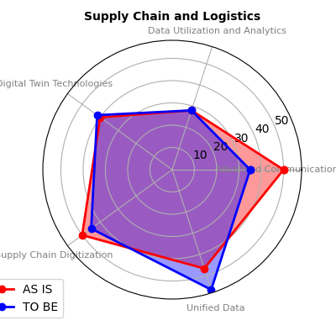
BUSINESS FUNCTION | MEASURING ELEMENT | PERCENTAGE "AS IS" WRT OTHER COMPANIES LEVEL | PERCENTAGE "TO BE" WRT OTHER COMPANIES LEVEL
Community and Stakeholder Relations | Environmental and Sustainability Solutions | 42.5 | 42.5
 | Stakeholder Involvement | 40 | 60
 | Advanced Communication and Connectivity | 50 | 35
 | Unified Data | 46.67 | 56.67
 | Change Management | 45 | 90
 | Strategic Vision and Leadership | 40 | 40
 | Data Utilization and Analytics | 28 | 28
 | Customer Experience | 20 | 60

Exploration and Geology | Market analysis | 33.33 | 43.33
 | Data Utilization and Analytics | 28 | 28

Finance and Accounting | Digital Capability | 60 | 66.67
 | Strategic Vision and Leadership | 40 | 40
 | Data Utilization and Analytics | 28 | 28

 | Remote Monitoring and Diagnostics | 65 | 35
 | Advanced Communication and Connectivity | 50 | 35
 | Worker Safety | 50 | 70
Health Safety and Environment (HSE) | Environmental and Sustainability Solutions | 42.5 | 42.5
 | Digital Twin Technologies | 40 | 41.67
 | Data Utilization and Analytics | 28 | 28

 | Culture | 55 | 60
 | Advanced Communication and Connectivity | 50 | 35
 | Human Resources | 50 | 53.33
Human Resources (HR) | Worker Enablement | 50 | 45
 | Workforce Skills and Training | 45 | 45
 | Performance Management | 44 | 68
 | Ease of Use and Adoption | 40 | 86.67

Legal and Compliance | Cybersecurity and Data Privacy | 40 | 40
 | Contract management | 26.67 | 73.33

 | Market analysis | 33.33 | 43.33
 | Customer Experience | 20 | 60
 | Power Generation | 60 | 62.86
 | generation technology | 57.5 | 55
 | Advanced Communication and Connectivity | 50 | 35
 | Worker Safety | 50 | 70
 | Scheduling | 46.67 | 33.33
Marketing and sales | Internet of Things (IoT) Integration | 40 | 37.78
 | Digital Twin Technologies | 40 | 41.67
 | Ease of Use and Adoption | 40 | 86.67
 | Ventiltion requirements | 40 | 56
 | Undeground and surface infrastructure | 37.14 | 62.86
 | Mine access | 32.5 | 42.5
 | Mineral processing | 31.67 | 36.67
 | Quality control | 30 | 40
 | Design management | 30 | 50
 | Data Utilization and Analytics | 28 | 28
 | Automation and Robotics | 25 | 30
 | Logistics | 20 | 60

Processing and Metallurgy | Digital Twin Technologies | 40 | 41.67
 | Mineral processing | 31.67 | 36.67

Supply Chain and Logistics | Advanced Communication and Connectivity | 50 | 35
 | Supply Chain Digitization | 50 | 45
 | Unified Data | 46.67 | 56.67
 | Digital Twin Technologies | 40 | 41.67
 | Data Utilization and Analytics | 28 | 28

AFFINITY PLOT
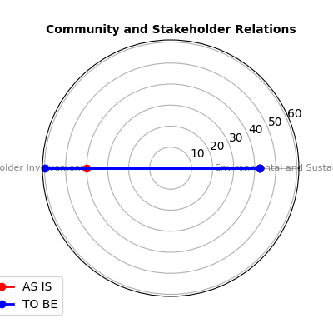
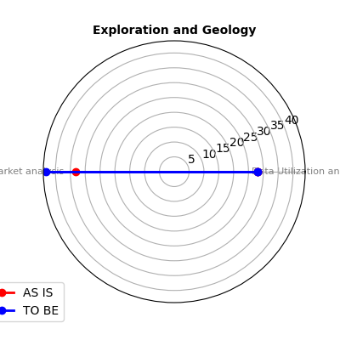
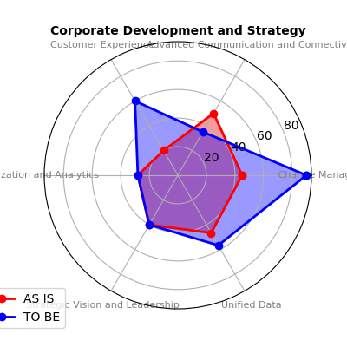
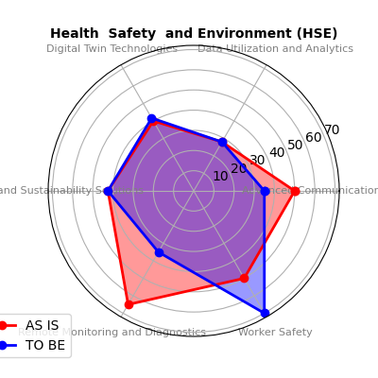
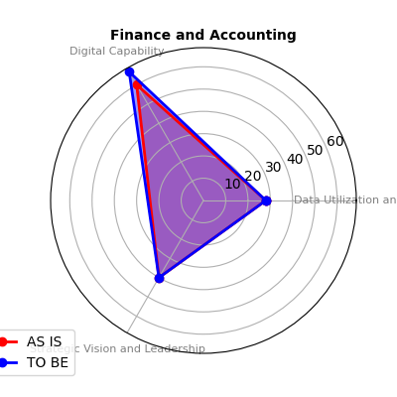
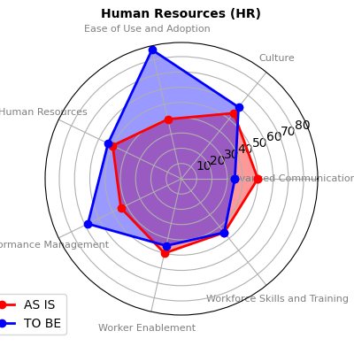
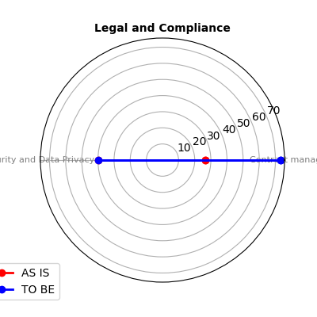
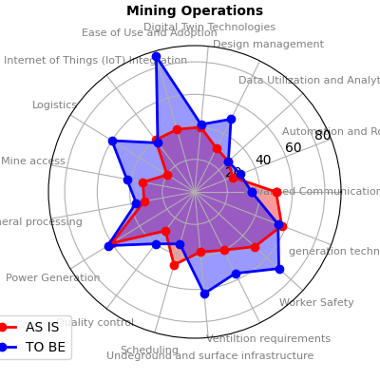
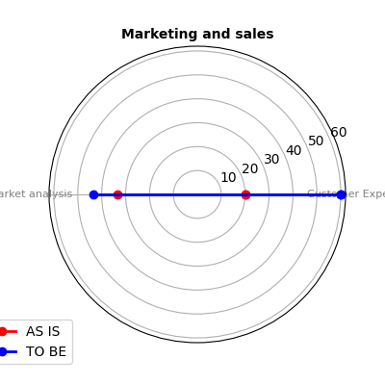
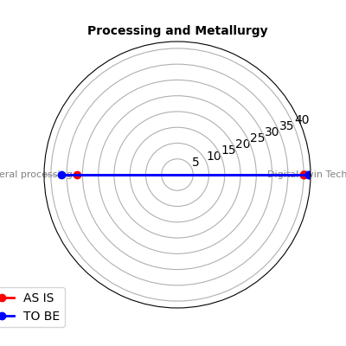
AFFINITY PLOT BETWEEN THE BUSINESS FUNCTIONS AND THE DIFFERENT MESURING ELEMENTS

GRAPH OF FURTHER COM
